Sprint-1
Epic | Feature ID | Feature Name | Status | Test Result | Description | Steps | Test Image | Test Image
Administration | S1-F01 | User can log in using valid email and password | Pending | Failed | Lỗi 401: invalid_client khi đăng nhập sử dụng google (OAuth) | - Step 1: Chọn "Tiếp tục với Google" | 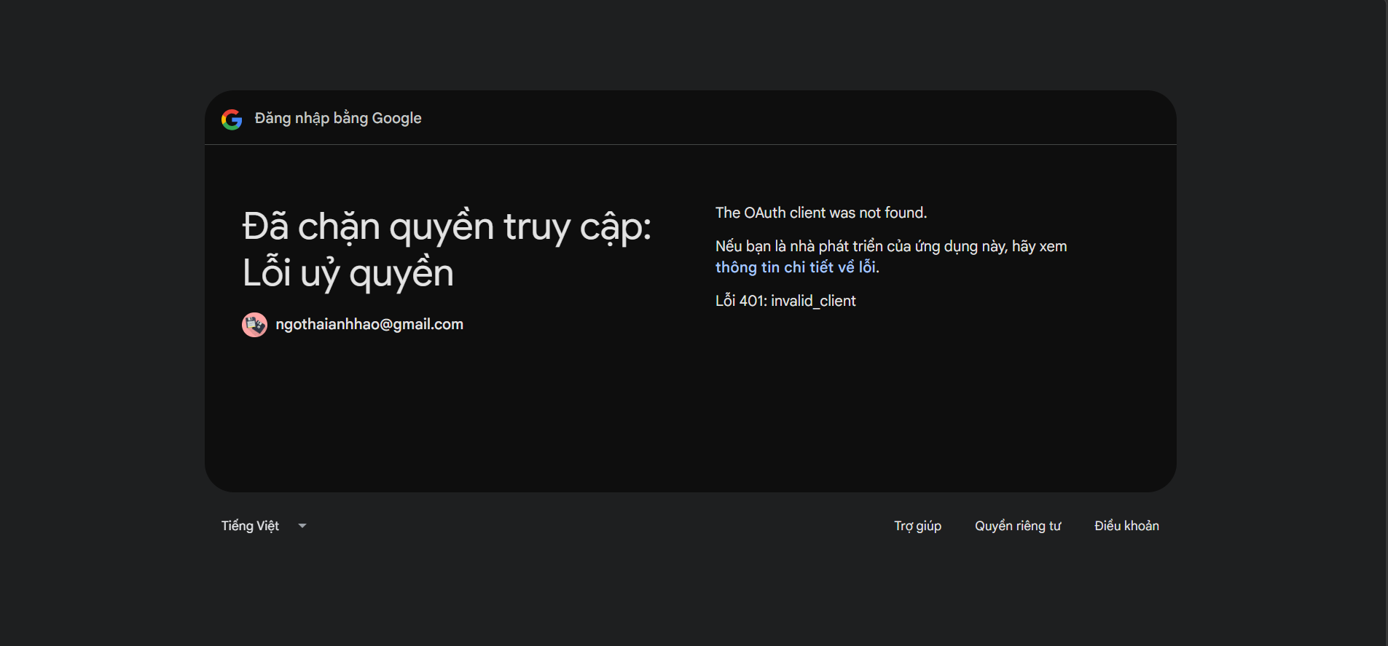
Administration | S1-F02 | User can log out from the system | Done | Passed
Administration | S1-F03 | System redirects user to the correct dashboard based on role | Done | Passed
Administration | S1-F04 | Admin can create, update, deactivate users | Done | Failed | - Lỗi deactivate users: Sử dụng tài khoản mang ROLE_ADMIN để deactivate users, nhưng kết quả vẫn có thể đăng nhập tài khoản đã deactivate | - Step 1: Đăng nhập tài khoản "admin@inkframe.studio" - Step 2: Ở trang "Quản trị", user có email "dungminer69@gmail.com", chọn trạng thái "Khóa" - Step 3: Logout - Step 4: Đăng nhập tài khoản "dungminer69@gmail.com" | 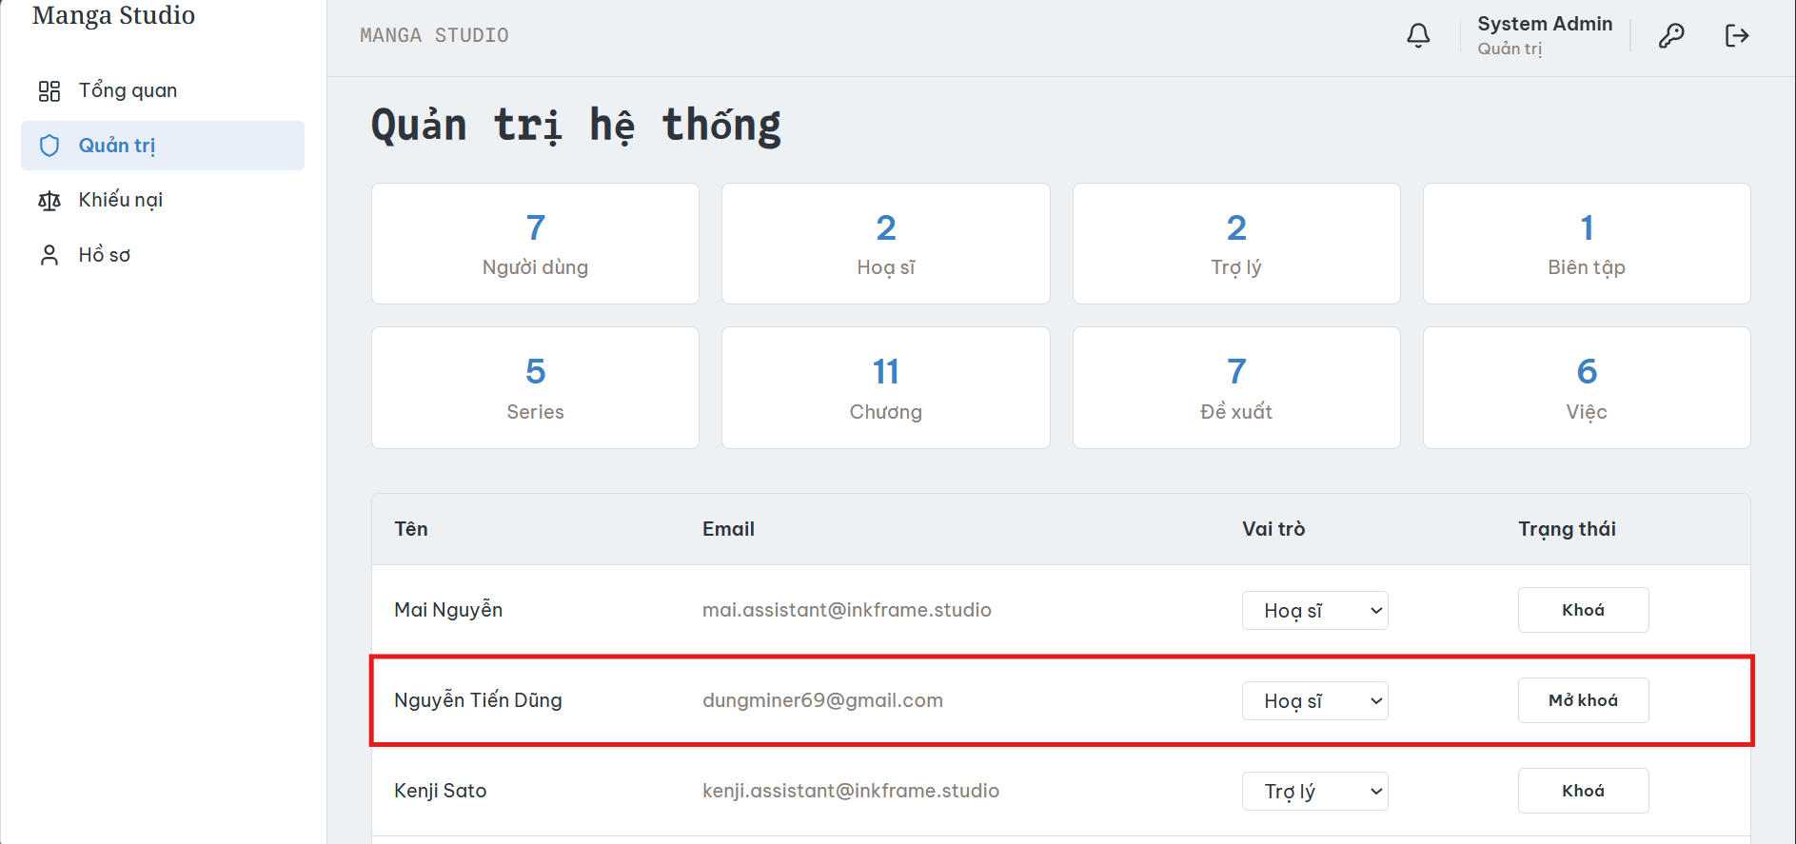 | 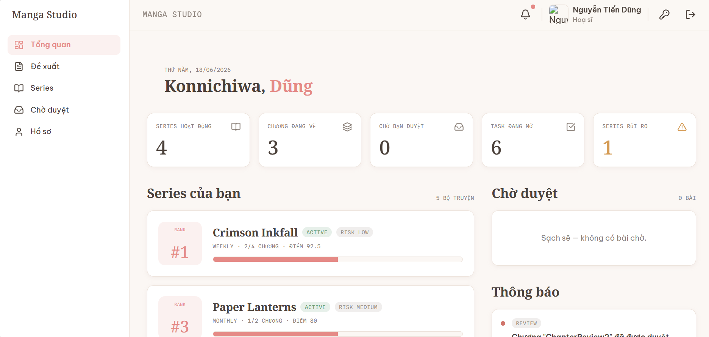
Administration | S1-F05 | Admin can assign roles to users | Done | Passed
Series Proposal | S1-F06 | Mangaka can create a new series proposal | Done | Passed
Series Proposal | S1-F07 | Mangaka can edit proposal before submission | Done | Failed | Chưa có UI để hiển thị và xử lý chỉnh sửa Series Proposal ở DRAFT | - Step 1: Đăng nhập tài khoản "dungminer69@gmail.com" - Step 2: Ở trang "Đề xuất", tạo đề xuất mới | 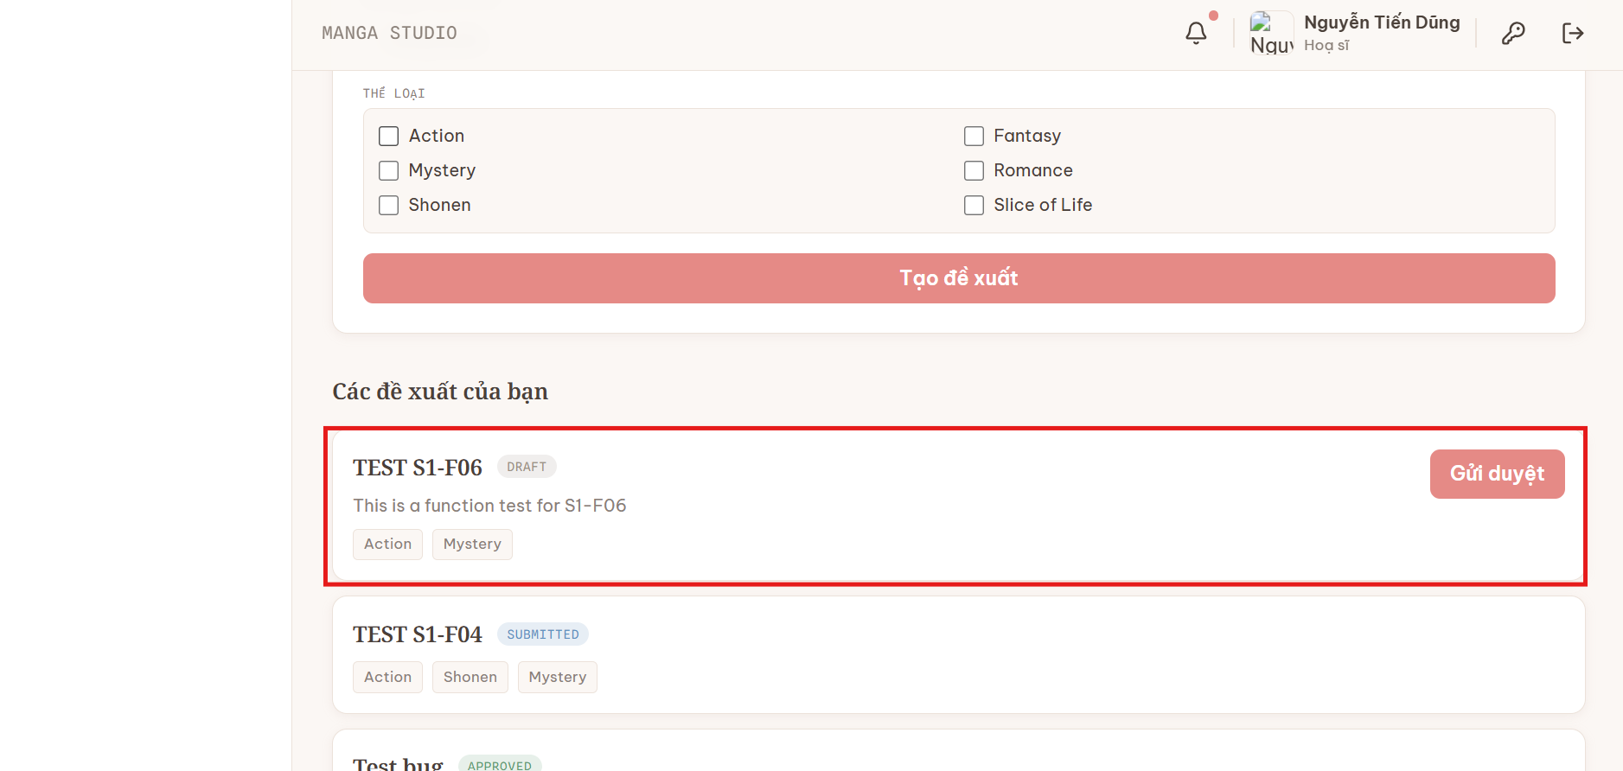
Series Proposal | S1-F08 | Mangaka can upload sample manuscript for proposal | Done | Failed | Chưa có UI để hiển thị và xử lý upload sample manuscript for proposal | - Step 1: Đăng nhập tài khoản "dungminer69@gmail.com" - Step 2: Chọn "Đề xuất"
Series Proposal | S1-F09 | Proposal can be submitted for approval | Done | Passed
Proposal Approval | S1-F10 | Editor or Board can view proposal detail | Done | Failed | Editor chưa thể xem được proposal detail của Mangaka | - Step 1: Đăng nhập tài khoản Mangaka "dungminer69@gmail.com", tạo Series Proposal tên "TEST 02 S1-F10" - Step 2: Logout, Đăng nhập tài khoản Board "yamamoto.board@inkframe.studio" - Step 3: Duyệt đề xuất cho "TEST 02 S1-F10" - Step 4: Chọn page "Phân công BT", gán biên tập cho "Hiroshi Tanaka" - Step 5: Logout, đăng nhập tài khoản Editor "hiroshi.editor@inkframe.studio" | 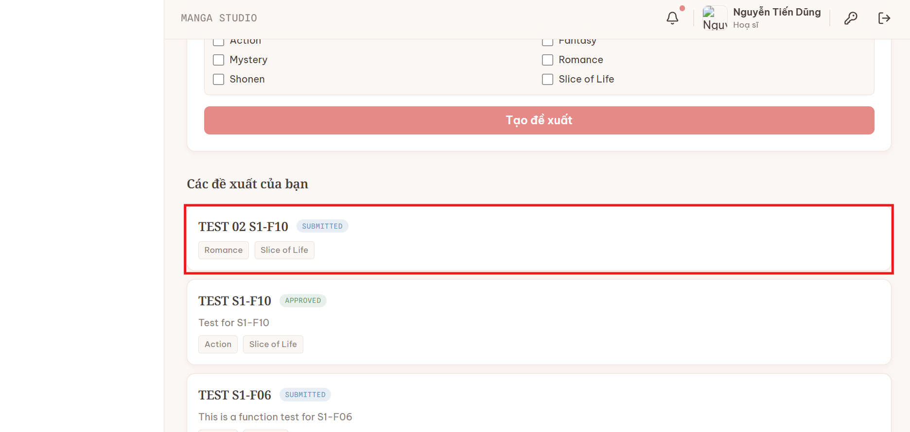 | 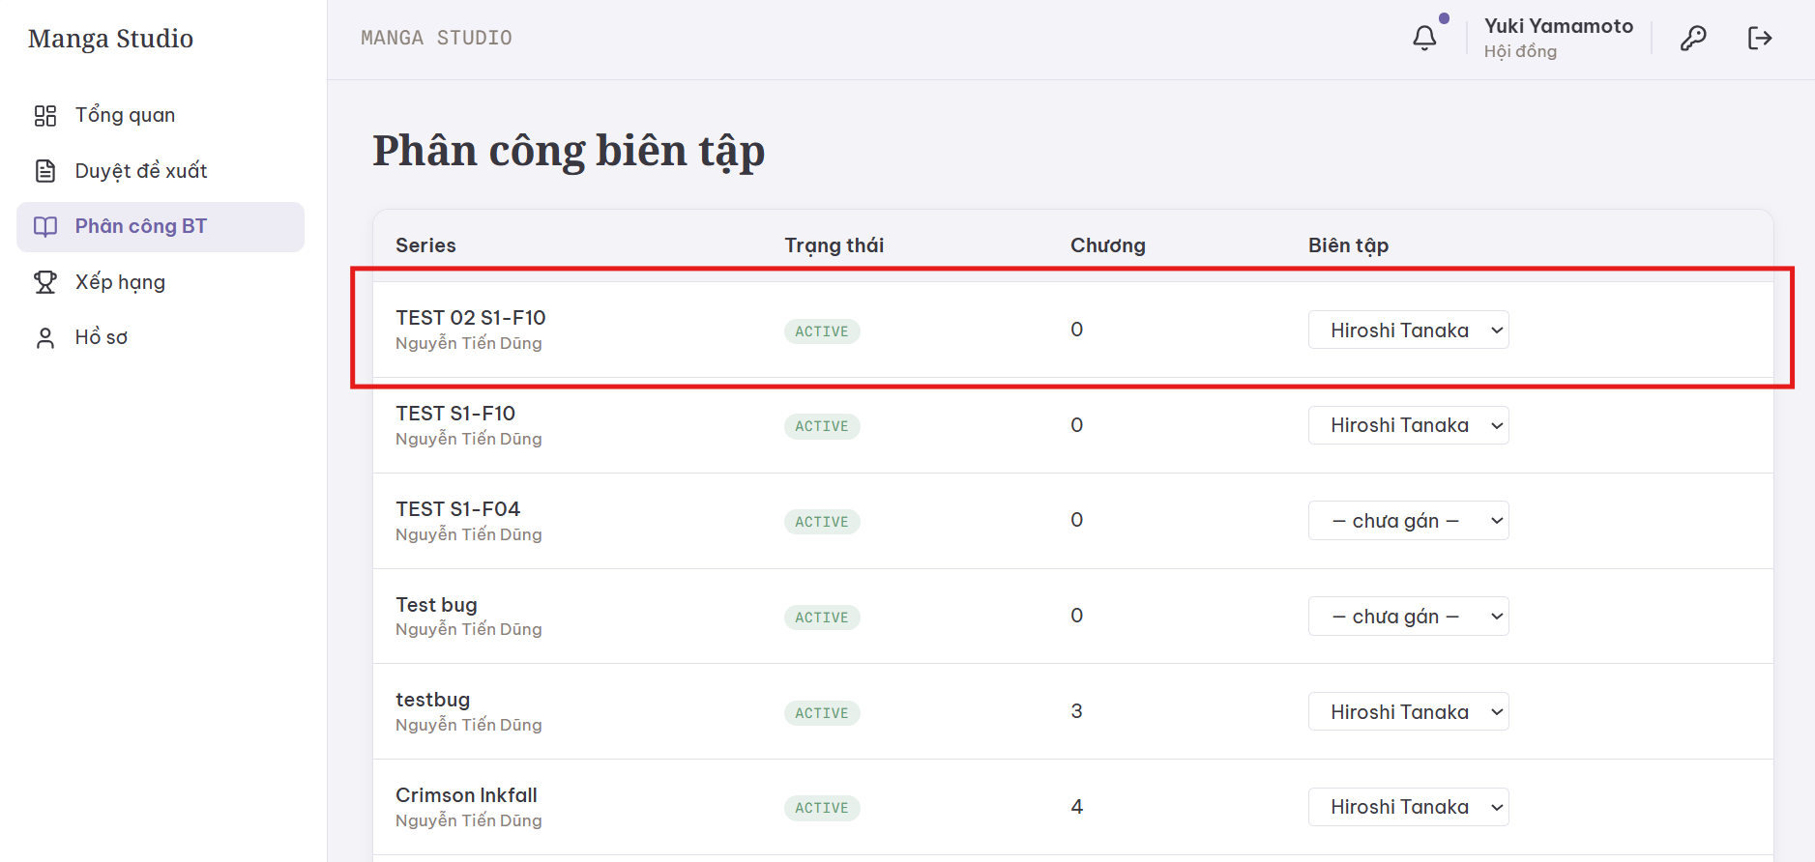 | 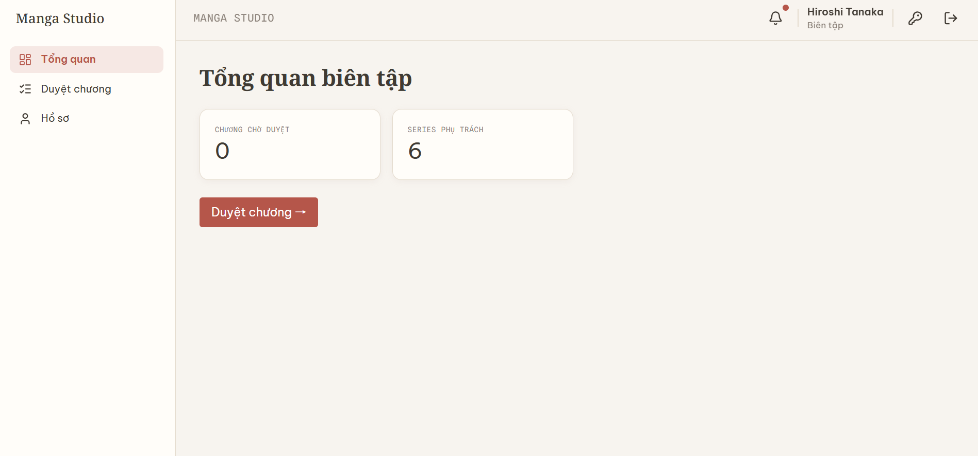
Proposal Approval | S1-F11 | Board can approve or reject proposal | Done | Passed
Series Management | S1-F12 | System creates official series after approval | Done | Passed
Series Management | S1-F13 | User can view list of series | Done | Passed
Series Management | S1-F14 | User can view series information and related chapters | Done | Passed
Chapter Management | S1-F15 | Mangaka can create a chapter for an active series | Done | Failed | Lỗi không thể tạo chương mới khi nhập cột deadline | - Step 1: Click vào "Series" - Step 2: Tạo chương, nhập input vào cột "Tiêu đề chương" và "Hạn chót" - Step 3: "Tạo chương" | 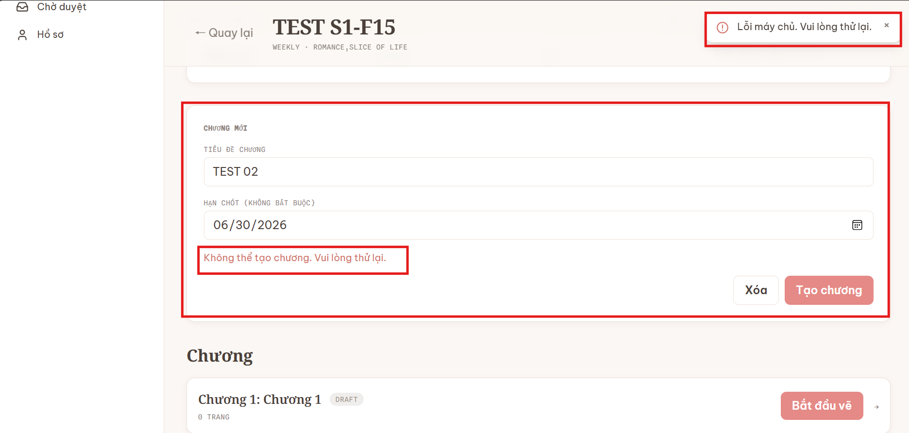
Chapter Management | S1-F16 | User can view chapter list by series | Done | Passed
Chapter Management | S1-F17 | User can view chapter progress, deadline and page list | Done | Passed
Page Management | S1-F18 | Mangaka can upload manga pages for a chapter | Done | Passed
Page Management | S1-F19 | User can view pages inside a chapter | Done | Passed

Sprint-2
Epic | Feature ID | Feature Name | Status | Test Result | Description | Steps | Test Image | Test Image | Options / Color
Page Workspace | S2-F01 | Mangaka can open workspace for a selected page | Done | Passed
Page Workspace | S2-F02 | System displays manga page on canvas | Done | Passed
Page Workspace | S2-F03 | User can zoom in, zoom out and fit page | Done | Passed
Region Segmentation | S2-F04 | Mangaka can draw a rectangle region on the page | Done | Passed
Region Segmentation | S2-F05 | Mangaka can select type: panel, character, background, bubble | Done | Failed | Cần Fix UI khi chọn vùng |  | 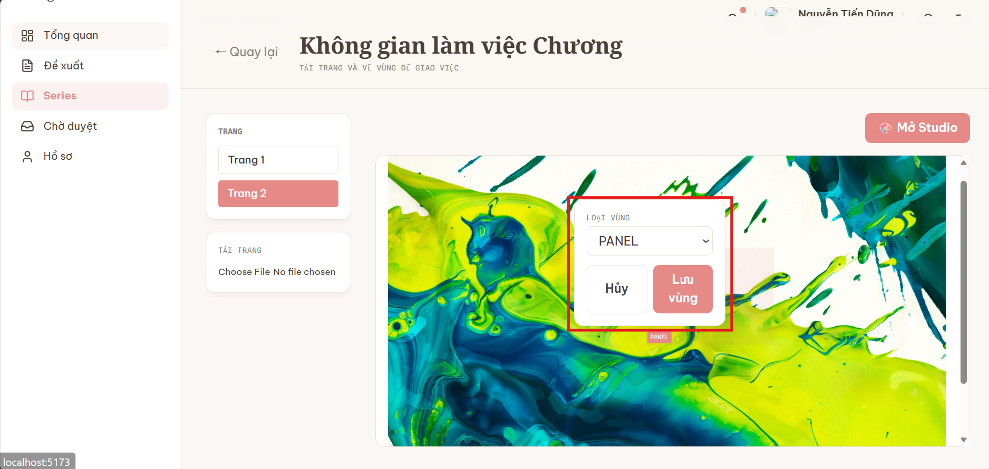
Region Segmentation | S2-F06 | System saves x, y, width, height and region type | Done | Passed
Region Segmentation | S2-F07 | Mangaka can edit or delete a region | Done | Failed | Chưa có UI để edit hoặc delete vùng |  | 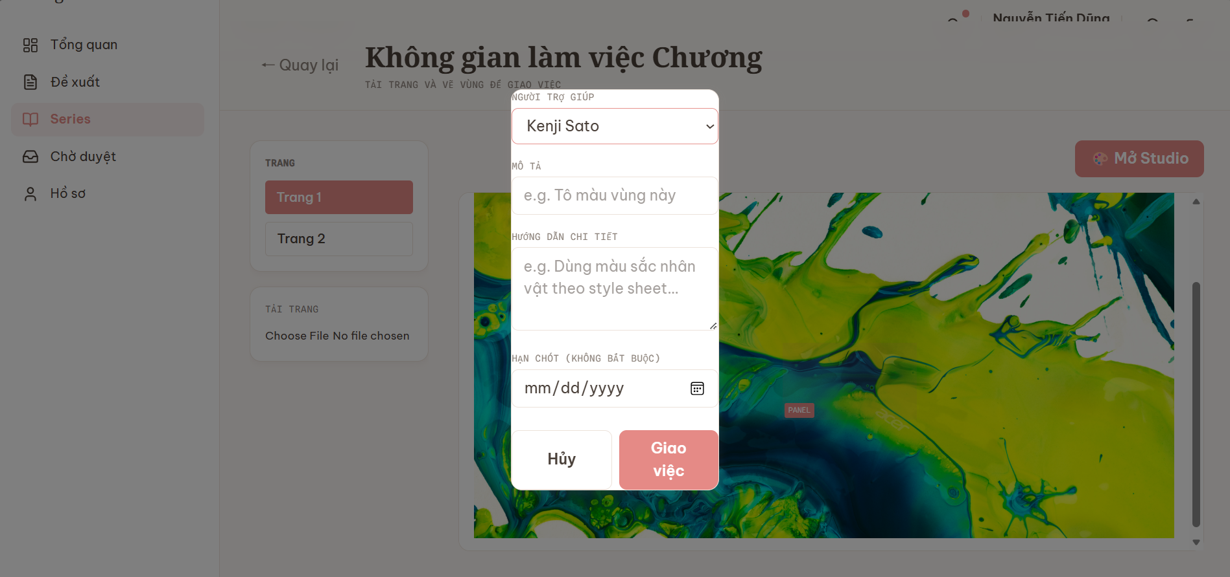
AI Optional | S2-F08 | AI can suggest regions on page, optional | Done | Passed
Task Management | S2-F09 | Mangaka can create task from selected region | Done | Failed | Cần Fix UI khi hiển thị giao việc
Task Management | S2-F10 | Mangaka can assign task to an Assistant | Done | Failed | Lỗi UI trắng trang khi chọn "Giao việc" |  |  | 
Task Management | S2-F11 | User can view task detail and region information | Done | Passed
Task Management | S2-F12 | User can view tasks by status on kanban board | Done | Passed
Task Management | S2-F13 | Assistant can view tasks assigned to them | Done | Passed
Task Management | S2-F14 | System tracks Assigned, In Progress, Submitted, Revision, Approved | Done | Passed
Notification | S2-F15 | Assistant receives notification when task is assigned | Done | Failed | Lỗi từ S2-F10
Assistant Submission | S2-F16 | Assistant can view assigned task list | Done | Passed
Assistant Submission | S2-F17 | Assistant can view task instruction and deadline | Done | Passed
Assistant Submission | S2-F18 | Assistant can download page or reference files | Done | Passed
Assistant Submission | S2-F19 | Assistant can upload completed task file | Done | Passed
Assistant Submission | S2-F20 | Assistant can add note when submitting | Done | Failed | - Chưa hiển thị field "Note" khi Assistant submitted ở giao diện của Mangaka - Khi Assistant chọn "Vẽ trong studio", ấn "Lưu", Task tự động submit đến Mangaka thay vì chỉ lưu | - Step 1: Đăng nhập tài khoản Mangaka, giao task cho Assistant - Step 2: Đăng nhập tài khoản Assistant vừa được giao việc, chọn "Việc của tôi" , "Nộp bài", thêm note và "Nộp" - Step 3: Đăng nhập tài khoản Mangaka, kiểm tra note của Assistant | 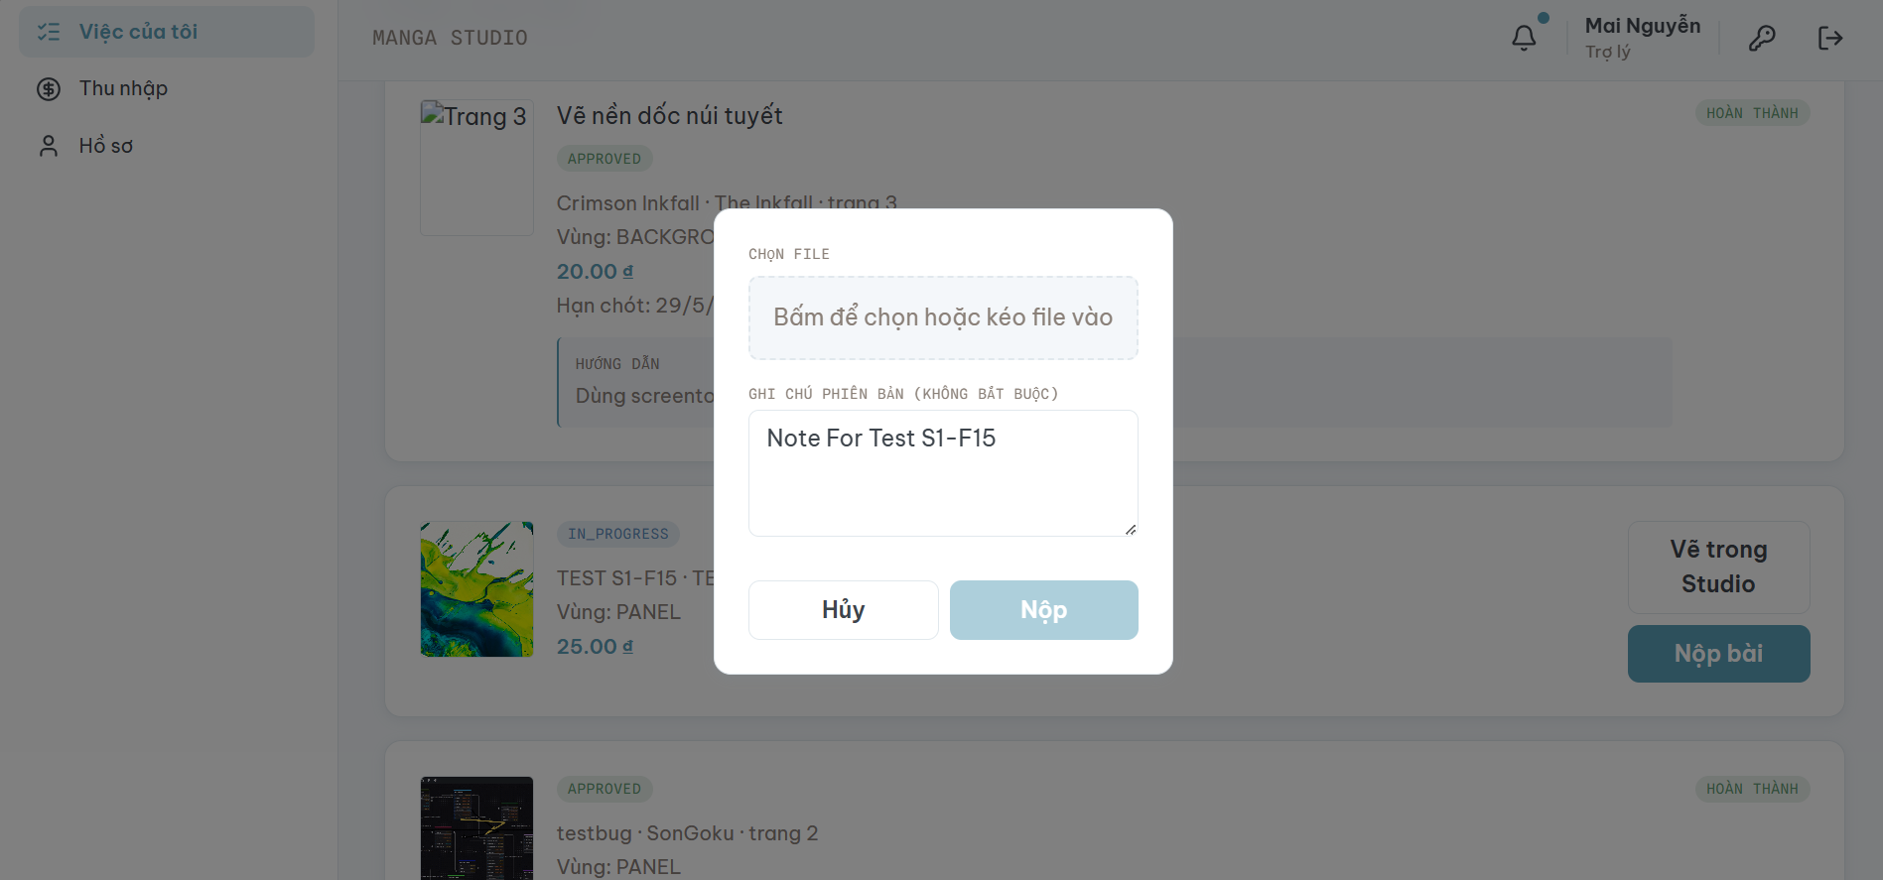
Assistant Submission | S2-F21 | System stores multiple submission versions | Done | Passed
Notification | S2-F22 | Mangaka receives notification when submission is uploaded | Done | Passed
Mangaka Review | S2-F23 | Mangaka can view submissions waiting for review | Done | Passed
Mangaka Review | S2-F24 | Mangaka can preview Assistant submission | Done | Passed
Mangaka Review | S2-F25 | Mangaka can compare original page and submitted file | Done | Failed | Chưa có UI để so sánh
Mangaka Review | S2-F26 | Mangaka can approve accepted submission | Done | Passed
Mangaka Review | S2-F27 | Mangaka can request revision if submission is not accepted | Done | Passed
Mangaka Review | S2-F28 | Mangaka must write comment when requesting revision | Done | Passed
Chapter Progress | S2-F29 | System updates chapter progress after task approval | Done | Passed
Editor Review | S2-F30 | Editor can view chapters ready for review | Done | Passed
Editor Review | S2-F31 | Editor can review chapter pages and manuscript | Done | Passed
Annotation | S2-F32 | Editor can add annotation on page | Done | Passed
Annotation | S2-F33 | Editor can classify annotation type | Done | Passed
Editor Review | S2-F34 | Editor can approve reviewed chapter | Done | Passed
Editor Review | S2-F35 | Editor can request Mangaka revision | Done | Passed
Editor Review | S2-F36 | System stores editor review history | Done | Passed | Function đã review history ở giao diện Mangaka, cần update thêm ở giao diện Editor

